Sheet1
IMAGE | PRODUCT NUMBER | PRODUCT DESCRIPTION | EAN | QTY AVAILANLE | RRP
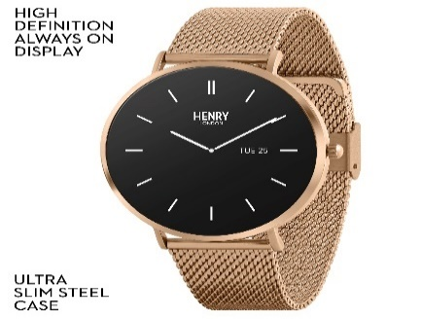 | HLS65-0001 | Henry London Smart Amoled Rose Gold Mesh Strap Watch | 5018479127123 | 163 | £99.95
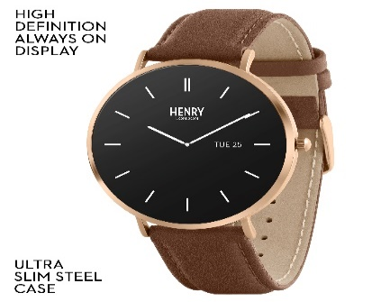 | HLS65-0002 | Henry London Smart Amoled Tan Leather Strap Watch | 5018479127130 | 75 | £95.00
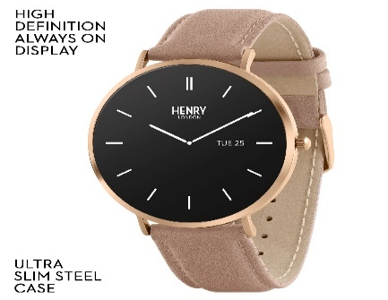 | HLS65-0003 | Henry London Smart Amoled Cobweb Leather Strap Watch | 5018479127147 | 178 | £95.00
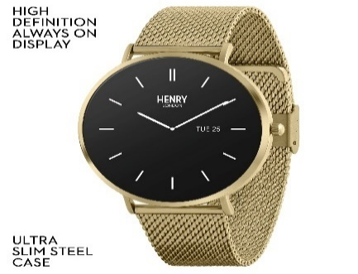 | HLS65-0006 | Henry London Smart Amoled Pale Hamilton Gold Mesh Strap Watch | 5018479127178 | 156 | £99.95
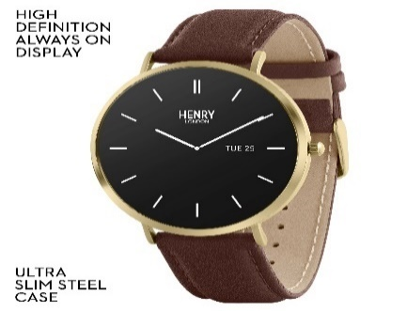 | HLS65-0007 | Henry London Smart Amoled Brown Leather Strap Watch | 5018479127185 | 170 | £95.00
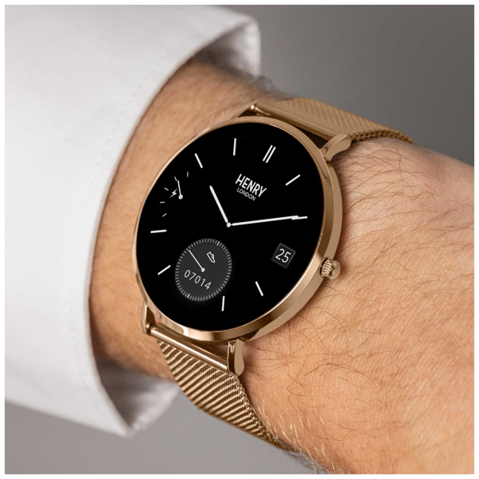
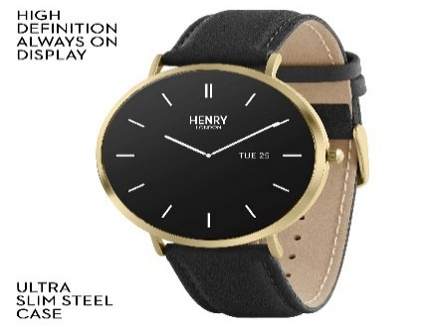 | HLS65-0008 | Henry London Smart Amoled Tan Leather Strap Watch | 5018479127192 | 238 | £95.00
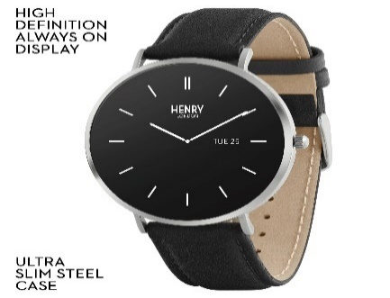 | HLS65-0009 | Henry London Smart Amoled Black Leather Strap Watch | 5018479127208 | 250 | £95.00
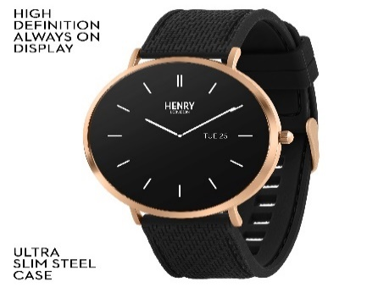 | HLS65-0010 | Henry London Smart Black Silicone Strap Watch | 5018479133919 | 175 | £95.00
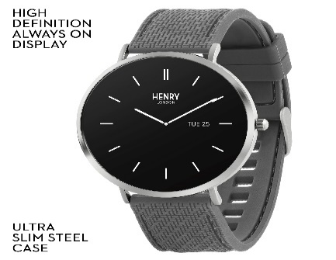 | HLS65-0011 | Henry London Smart Grey Silicone Strap Watch | 5018479133926 | 129 | £95.00
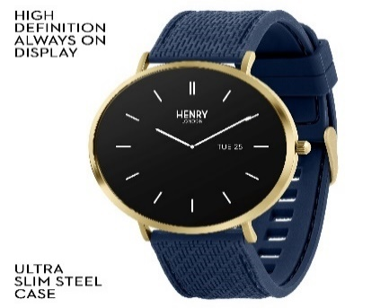 | HLS65-0012 | Henry London Smart Navy Silicone Strap Watch | 5018479133933 | 145 | £95.00
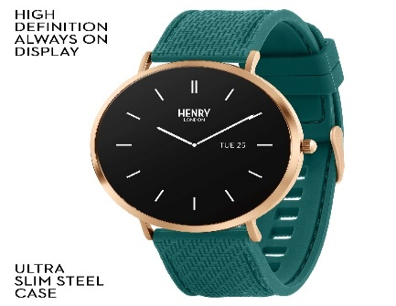 | HLS65-0014 | Henry London Smart Teal Silicone Strap Watch | 5018479151647 | 234 | £95.00
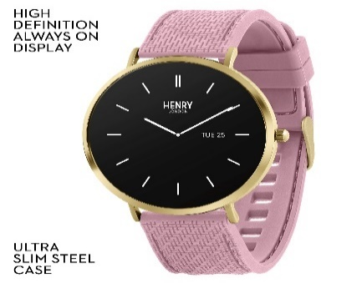 | HLS65-0016 | Henry London Smart Cobweb Silicone Strap Watch | 5018479151654 | 153 | £95.00
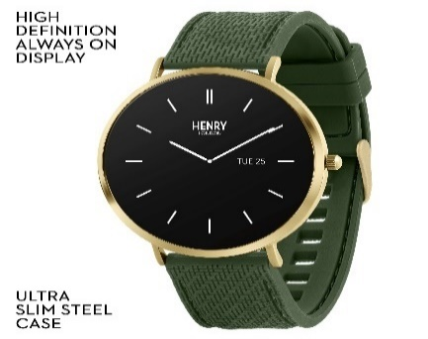 | HLS65-0018 | Henry London Smart Khaki Silicone Strap Watch | 5018479151661 | 252 | £95.00
 |  |  |  | 2318

